Problem 4-26
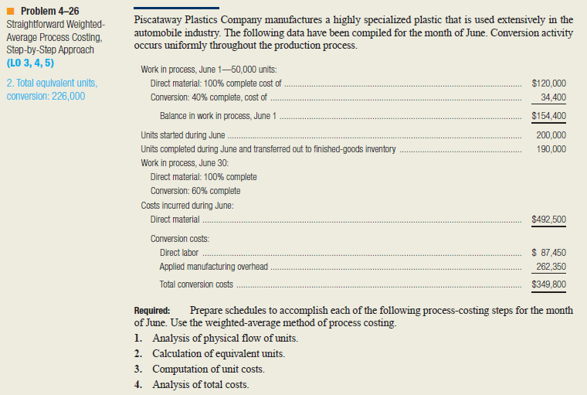
1. Analysis of physical flow of units
 | ( Physical units in beginning work in process) + (physical units started)-(physical units completed and transferred out)=physical units in ending work in process
 |  |  | Physical Units
 | Work In Process, June 1 |  | 50,000
 | Units started during June |  | 200,000
 | Total units to account for |  | 250,000

 | Units completed and transf. out during June |  | 190,000
 | Work in process, June 30 |  | 60,000
 | Total units accounted for |  | 250,000

2. Calculation of equivalent units |  |  |  |  | Equivalent Units
 |  |  | Physical Units | % complete with respect to conversion | Direct Material | Conversion
 | Work In Process, June 1 |  | 50,000
 | Units started during June |  | 200,000
 | Total units to account for |  | 250,000

 | Units completed and transf. out during June |  | 190,000 | 100% | 190,000 | 190,000
 | Work in process, June 30 |  | 60,000 | 60% | 60,000 | 36000
 | Total units accounted for |  | 250,000 |  | 250,000 | 226,000

3. Computation of units costs
 |  | Direct Material |  | Conversion | Total
 | Work in process, June 1
 | Costs incurred during June
 | Total costs to account for

 | Equivalent units
 | Costs per equivalent unit

Problem 4-27
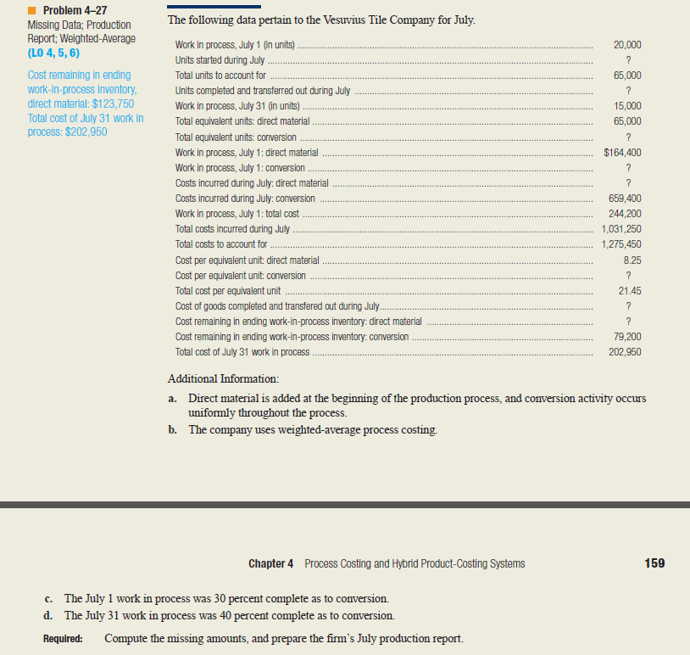
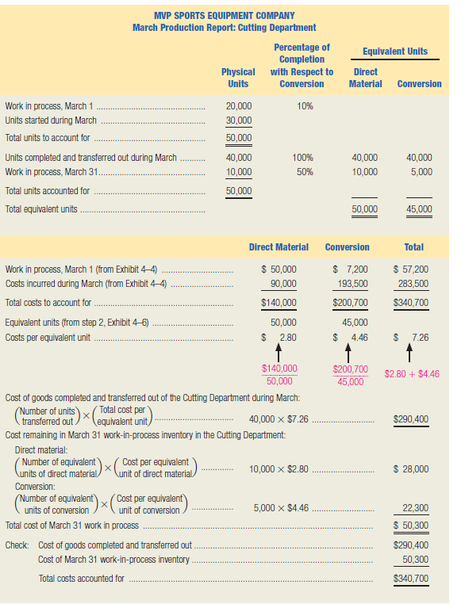
VESUSIUS TILE COMPANY
July Production Report
 |  |  | Equivalent Units
 | Physical Units | % complete with respect to conversion | Direct Material | Conversion
Work In Process, July 1 | 20,000 | 30%
Units started during June | 45,000
Total units to account for | 65,000

Units completed and transf. out during July | 50,000
Work in process, July 31 | 15,000 | 40% |  | 0
Total units accounted for | 65,000 |  | 0 | 0
 | Direct Material |  | Conversion | Total
Work in process, July 1 | $ |  | $ | $
Costs incurred during July
Total costs to account for

Equivalent units
Costs per equivalent unit

 |  |  |  |  |  | example
 |  |  |  |  | Hilton, R. W. (2011). Managerial accounting: Creating value in a dynamic business environment (9th ed.). New York, NY: McGraw-Hill/Irwin. ISBN-13: 9780078110917

